Sheet1
modules | chat room actions and events | Comments
action | how enter into the chat room
jsp file | listroom.jsp
package | org.sakaiproject.chat2.tool
java file | chat tool.java
methods | protected String processActionEnterRoom(DecoratedChatChannel chatChannel) | this method used to enter into the room
 | public void setCurrentChannel(DecoratedChatChannel channel) | used to set the new channel through getting the new chat channel id and
 |  | checking it whether it is an old channel or new channel(because we are moving to same channel
java file | Decorated chat channel | where we working now means the program assigned a old channel as a new channel)

 | public ChatChannel getChatChannel() | returns the chat channel
 |  | used to get chat channel id(chat room id->to which room I will enter)

note |  | here all the rooms are hash maped so each room has key ,using this key each rooms called easily

java file | chat channel

 | public String getId() | used to get chat channel id(chat room id->to which room I will enter)

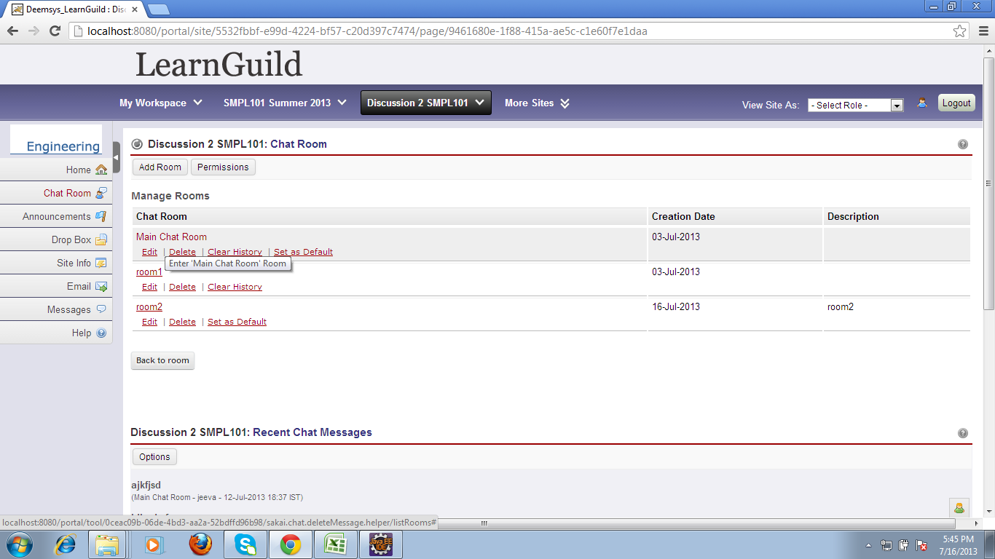
class | string
 | public boolean equals(Object anObject) | used to check whether the movable chatroom is same chat room or new channel(by comparing
 |  | the old class object with the new object values)
class | string bulider
 | public string builder() | used to assign string buffer initial capacity as 16 characters
 | public StringBuilder append(String str) | used to append extra characters more than 16 characters

class | AbstractStringBuilder
 | AbstractStringBuilder(int capacity) | assign new capacity to string builder
 | public AbstractStringBuilder append(String str) | ensure the lenth of the new string ,and used to get the characters of array to be copy
 | private void ensureCapacityInternal(int minimumCapacity) | used to ensure the capcity required to store
 | void expandCapacity(int minimumCapacity) | used to expand capacity and fix the capacity to expand from public static int min(int a, int b)
class | string
 | public int length() | used to return the lenth of new string
 | public void getChars(int srcBegin, int srcEnd, char dst[], int dstBegin) | used to get the chacters of original array from beginning to destination
 | public String(char value[], int offset, int count) | used to throw an exception if found (array index out of bound)

class | array
 | public static char[] copyOf(char[] original, int newLength | used to copy the original array using new lenth

class | math
 | public static int min(int a, int b) | used to fix the required lenth by comparing original array with the assigned new lenth

class | concurrent hashmap
 | public V get(Object key) | used to get the key for the current channel
 | public V remove(Object key) | used to remove the hash key after getting the segments using
 |  | private Segment<K,V> ensureSegment(int k) and private Segment<K,V> segmentForHash(int h)

class | string
 | public int hashCode() | used to get the hash code for current string

class | concurrent hashmap
 | private int hash(Object k) | to produce the hash index for the current object
 | private Segment<K,V> ensureSegment(int k) | Returns the segment for the given index, creating it and recording in segment table (via CAS) if not already present
 | private Segment<K,V> segmentForHash(int h) | get the segment and given to hash
 | final V remove(Object key, int hash, Object value) | this method is used to remove the key and object value
 | static final <K,V> HashEntry<K,V> entryAt(HashEntry<K,V>[] tab, int i) | used to get the elements of the given table

class | reentrant lock
 | public boolean tryLock() | this method used to free the lock for current thread or checks if the current thread is locked or not
 | public void unlock() | If the current thread is the holder of this lock then the hold count is decremented. If the hold count is now zero then the lock is released. If the current thread is not the holder of this lock then {@link IllegalMonitorStateException} is thrown.
 | protected final boolean tryRelease(int releases) | try to release the lock for the thread

class | public abstract class AbstractQueuedSynchronizer
 | protected final int getState() | used to get the state of the current thread checks used to know about if it is synchronized thread

package | org.sakaiproject.chat2.tool.impl
action | editing a chat room details
java file | chat tool
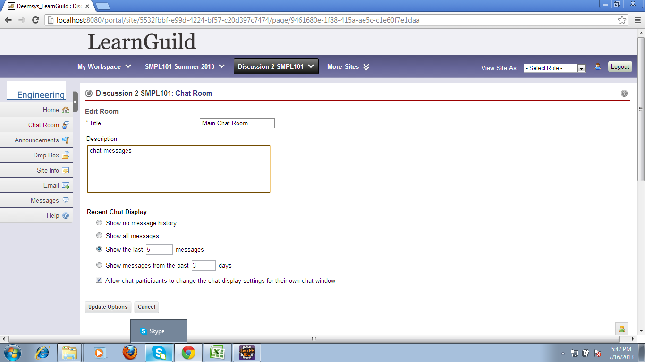
jsp | editroom.jsp
method | protected String processActionEditRoom(DecoratedChatChannel chatChannel) | used to get number parameter and time parameter

java file | chat channel
 | public int getNumberParam() | get the number parameter
 | public void setNumberParam(int numberParam) | set the number parameter
 | public int getTimeParam() | get the time parameter
 | public void setTimeParam(int timeParam) | set the time parameter

java file | decorated chat channel
 | public void setFilterParamLast(int filterParamLast) | set the filter parameter using number and time parameter
 | public String processActionEditRoom() | return the channel edit room
 | public String processActionEditRoom() | This method will edit the room from the page listing all the rooms

java file | chat tool
action | for update options
jsp file | editroom.jsp

method | public String processActionEditRoomSave() | used to save the edited details in the chat room and used to check if the edited filter type is by
 |  | number or filter by time or filter by filter by none and update the details

class | string
 | public boolean equals(Object anObject) | (here) this method is used to update the modifications in filter by number or fiter by time
 |  | for each filter type have one object with some values (they are compared with the runtime
 |  | Input here through that we can know what type is given at runtime)

java file | chat tool
 | protected boolean validateChannel(ChatChannel channel) | this method is used to check it is validate channel through getting the title and
 |  | description of that chat room(title should be within 64 characters and description should be 255

 | public void setCurrentChannel(DecoratedChatChannel channel) | used to get the details of current modified channel

java file | chat channel
 | public String getTitle() | used to get the chat room title
 | public string get description() | used to get the chat room description

action | for view options in ui screen
package | package org.sakaiproject.chat2.tool
java file | chat tool.impl
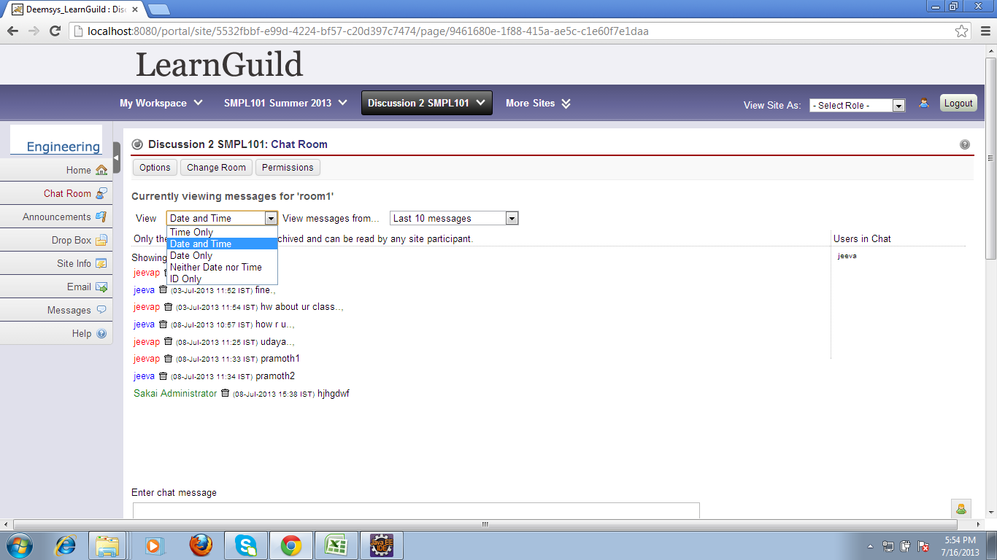
method | public String getViewOptions() | used for viewing options
jsp file | room.jsp

action | to display date and time and id
java file | chat tool
method | public boolean getDisplayDate() | this method is used to display date

class | integer
method | public static String toString(int i) | here integer is converted to string and all the characters are filled In the buffers
 |  | (here the integer sent is any one of these(0x00,0x01,0x02,0x03),these values belongs to
 |  | time only or date and time only or date only or id only)

 | static int stringSize(int x) | used to get the size of the table (whose valuse is used to get the base of the integer)

 | static void getChars(int i, int index, char[] buf) | used to store the characters which are equals to the integer values in buffer
 |  | The characters are placed into the buffer backwards starting with the least significant digit at the
 |  | specified index and working backwards from there(and also here checks the integer is (>0)or(<0) and
 |  | assigns the sign for decimal
 | public static int parseInt(String s) throws NumberFormatException | used to return the string argument as a signed decimal integer and assign radix as 10(here only
 |  | number format is checked)
 | public static int parseInt(String s, int radix) | here the radix for the appropriate string was passed as a argument

class | String
 | String(char[] value, boolean share) | used to assign current char for a current string
 | public int length() | used to get the lenth of the string
 | public char charAt(int index) | used to return the character position/ index and also used to check the array index out of
 |  | bound exception

class | character
 | public static int digit(char ch, int radix) | the numeric value represented by the character for the appropriate radix

 | public static int digit(int codePoint, int radix) | return unique codePoint for the character which is to be converted

class | characterdata
 | static final CharacterData of(int ch) | used to avoid large intialization of tables for store characters
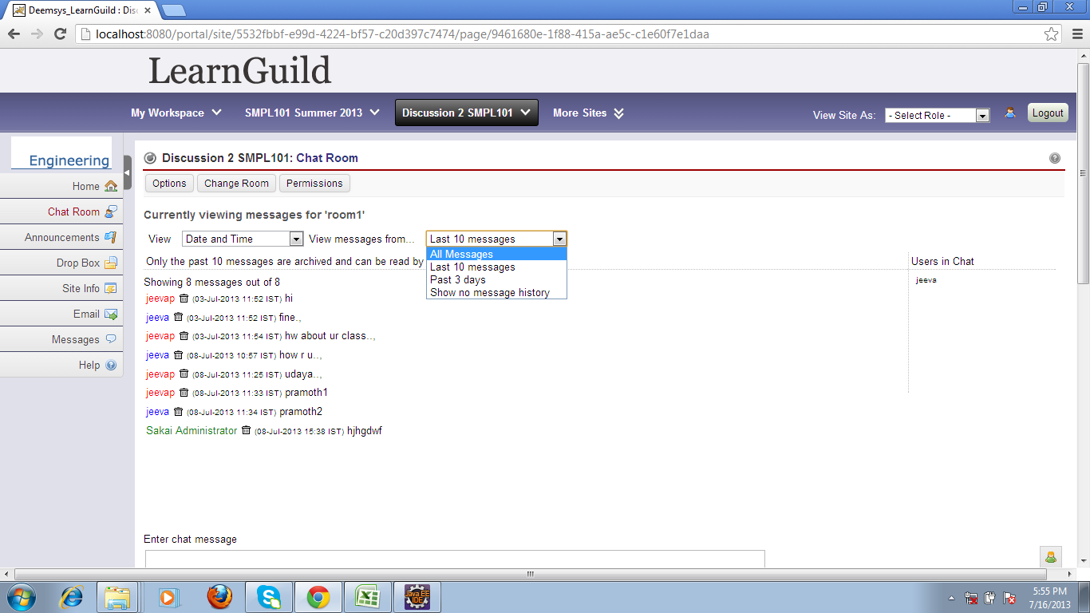

class | characterdatalatin1
 | int digit(int ch, int radix) | here only the appropriate digits for the characters converted
 | int getProperties(int ch) | used to get the offset for the required character

jsp file | editroom.jsp
action | to display all messages in chat room
java file | public boolean getCanRenderAllMessages() | this method is used to display all the messages in a particular chat channel
 | public boolean getCanRenderDateMessages() | this method is used to display all the messages in a particular date
 | public boolean getCanRenderNumberMessages() | this method is used to display number of messages in a particular chat channel
 | public boolean getCanRenderNoMessages() | this method is used to display no messages in a particular chat channel

 | public boolean getCanRenderMessageOptions() | used to check if the particular chat channel can be overridable
 | public int getRoomMessagesCount() | used to count the room messages

class | chat channel
 | public boolean isEnableUserOverride() | this method is used to enable user can override the current chat channel

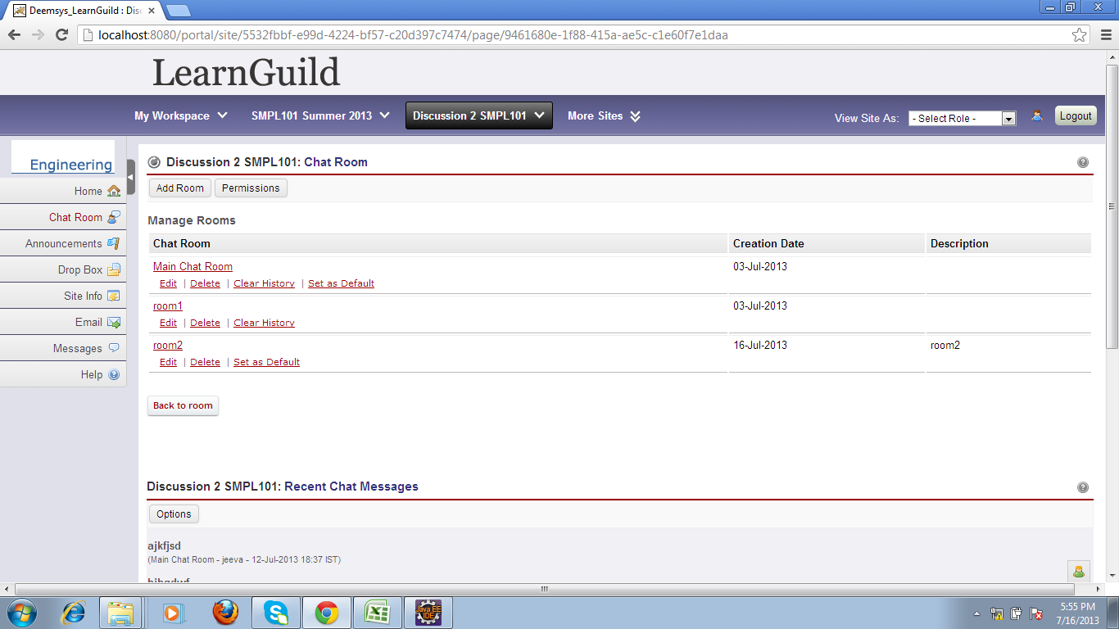

jsp file | listrooms.jsp
action | back to room in ui
java file | chat tool
method | public String processActionBackToRoom() | this method is used to get back to the previous room

java file | chat channel
 | public String getFilterType() | used to get the filter type

class | string
 | public boolean equals(Object anObject) | used to check the filter type equals to filter by number or messages or all or date

class | integer
 | public static String toString(int i) | it is used to get the buffer size where the strings to be stored and also used to convert the
 |  | integer to string
 | static void getChars(int i, int index, char[] buf) | used to get the characters which are to be stored in buffer
 | public void setMessageOptions(String messageOptions) | it is used to set the options in a current room (previous room)

action | to delete the message
java file | chat tool
jsp file | deletemessageconfirm.jsp
 | public String processActionDeleteMessage() | this method is used to delete the message
 | public DecoratedChatMessage getCurrentMessage() | used to get the messaage which has to be deleted
 | public ChatManager getChatManager() | used to get chat manager

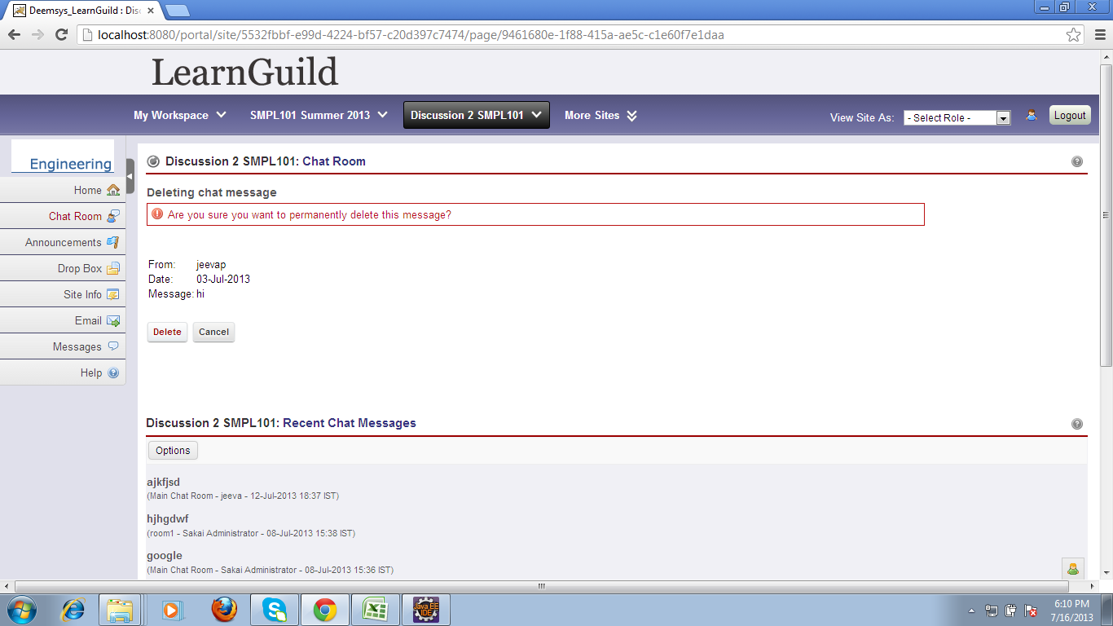
java file | session manager
 | public static org.sakaiproject.tool.api.ToolSession getCurrentToolSession() | used to get instance details of chat manager

 | public static org.sakaiproject.tool.api.SessionManager getInstance() | used to get the current message and return it to get toolsession method in session manager

java file | decorated chat message
 | public DecoratedChatMessage(ChatTool chatTool, ChatMessage chatMessage) | this method is used to get the time and date of the current message
 | public ChatMessage getChatMessage() | used to return the chat message

java file | chat message
method | public Date getMessageDate() | used to return date of the message

class | timestamp
 | public long getTime() | this method is used to return the time of current message(used to calculate time in milliseconds)

class | date
 | public long getTime() | used to return time
 | private final long getTimeImpl() | used to return, time for the current msg

class | timeservice
 | public static org.sakaiproject.time.api.Time newTime(long param0) | used to assign time for the current msg

jsp file | deletemessageconfirm.jsp
java file | chat tool
method | public String processActionDeleteMessageCancel() | this method used to cancel the delete message option

 | public void setCurrentMessage(DecoratedChatMessage currentMessage) | this method used to set the current message

jsp file | listrooms.jsp
action | to set a room as default
java file | chat tool
method | public String processActionSetAsDefaultRoom(DecoratedChatChannel decoChannel)
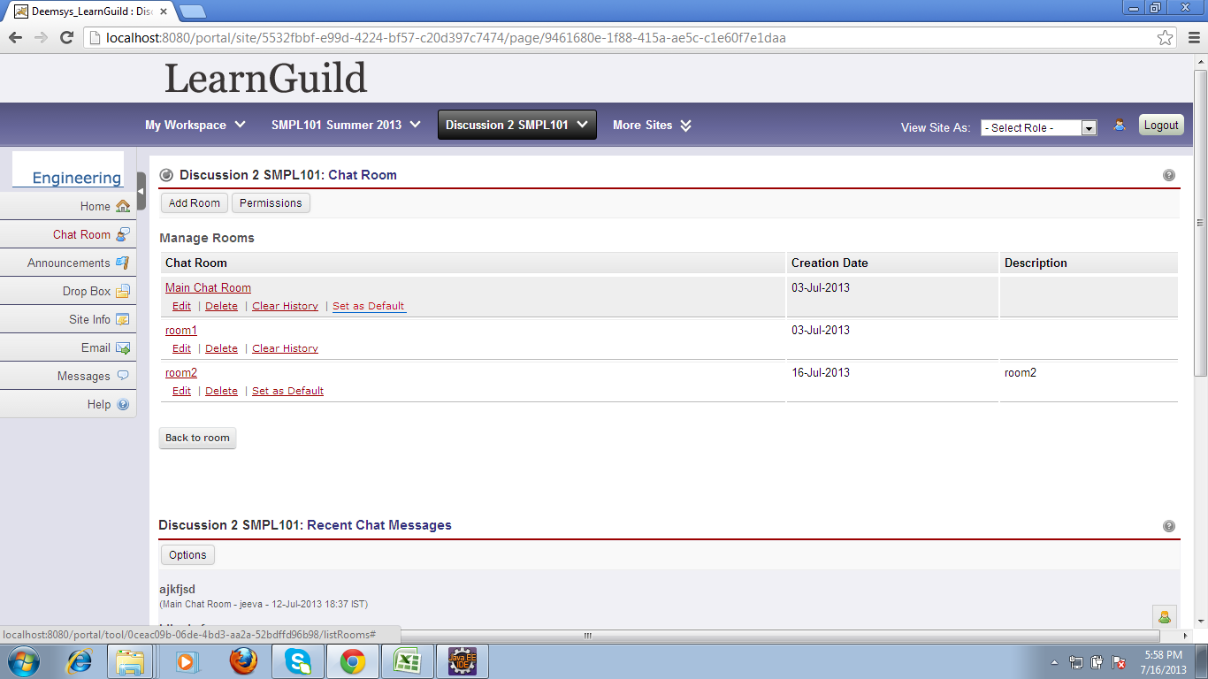
 |  | this method is used to set room as default
method | public ToolManager getToolManager() | used to get chat tool manager

java file | decorated chat channel
 | public ChatChannel getChatChannel()

java file | chat channel
 | public void setPlacementDefaultChannel(boolean placementDefaultChannel) | set default placement channel for current selected channel(room)

java file | placement
 | public String getId() | get the default placement id for the current chat room
 | public Placement(String id, String toolId, Tool tool, Properties config, String context, String title
 |  | this method is used to get the details for the default placement

jsp file | listrooms.jsp
action | add the new room
method | public String processActionAddRoom() | this method is used to add the new room

 | public ChatManager getChatManager() | this method is used to get chat manager
 | protected String getContext() | this method is used to get toolmanager,current placement,context

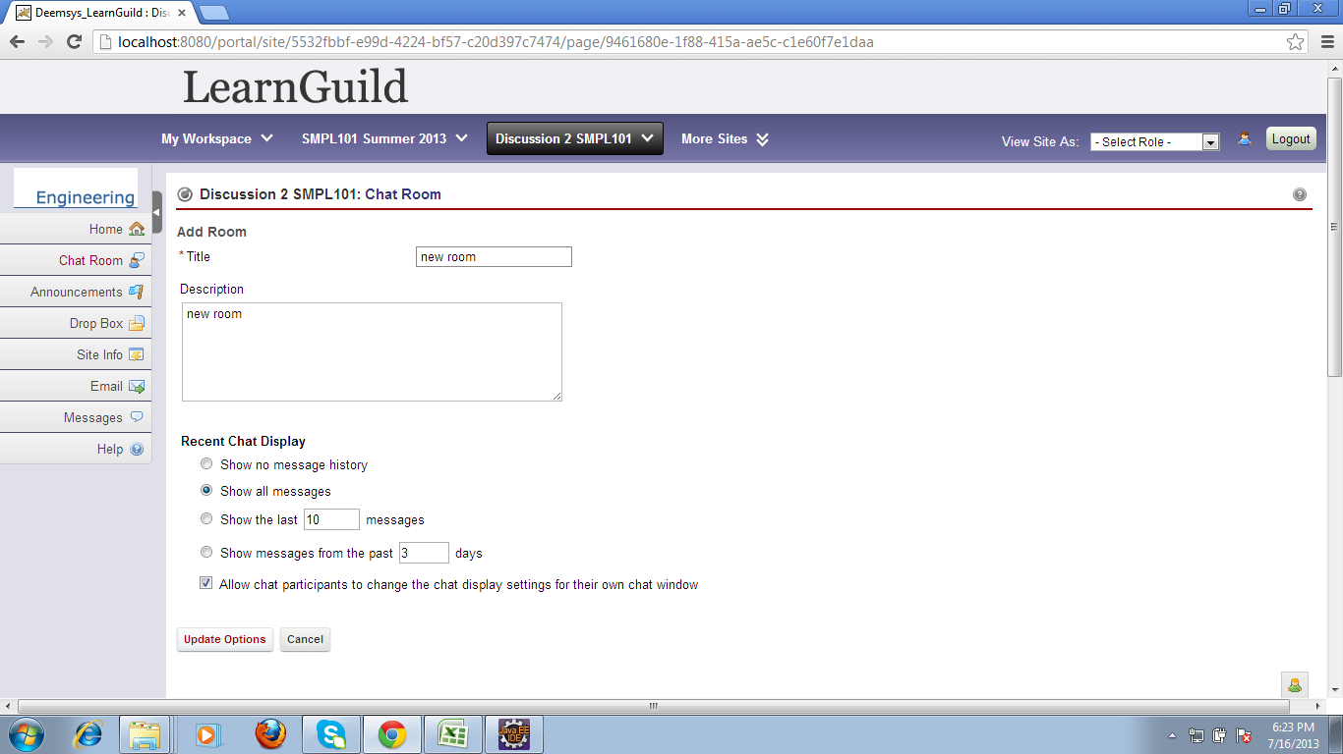
java file | decoratedchatchannel.java
 | public DecoratedChatChannel(ChatTool chatTool, ChatChannel chatChannel, boolean newChannel)
 |  | this method is used to assign instance of chattool,chatchannel,newchannel
java file | chat channel.java
 | public String getFilterType() | this method is used to get the filter type
 | public int getNumberParam() | this method is used to get the number parameter
java file | decoratedchatchannel.java
 | public void setFilterParamLast(int filterParamLast) | this method is used to get the previous filter parameter list
java file | chat channel.java
 | public int getTimeParam() | this method is used to get the time parameter
java file | decoratedchatchannel.java
 | public void setFilterParamPast(int filterParamPast) | this method is used to assign the instance of current filter parameter list

java file | chat tool
jsp file | delete room confirm.jsp
method | public String processActionDeleteRoom() | this method is used to delete the room
 | public ChatManager getChatManager() | this method is used to get the chat manager
java file | decorated chatchannel
 | public ChatChannel getChatChannel() | this method is used to get the chat channel
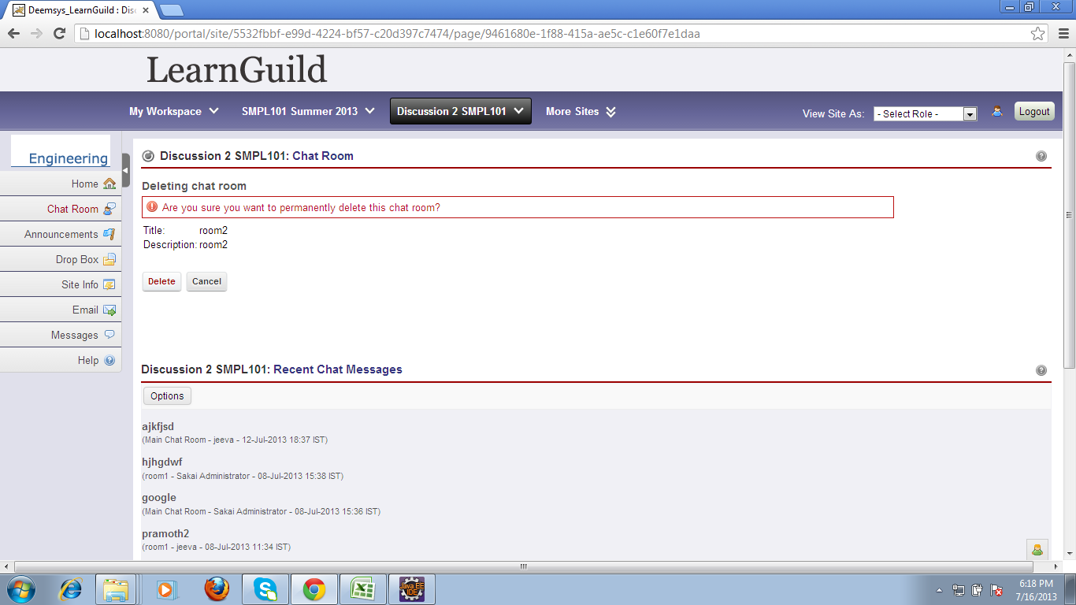
 | chat manager
 | public void deleteChannel(ChatChannel channel) throws PermissionException | used to delete the channel(here have to check whether the permission to
 |  | delete(CHAT_FUNCTION_DELETE_CHANNEL) the channel in permissions
 | public void sendDeleteChannel(ChatChannel channel) | this method is used to send the details of deleted channel

 | public void setCurrentChannelEdit(DecoratedChatChannel currentChannelEdit) | this method is used to set the current channel as a new channel after delete the channel

jsp file | deleteroomconfirm.jsp
java file | chat tool
method | public String processActionDeleteRoomCancel() | this method is used to cancel the action while trying to delete the room
 | public void setCurrentChannelEdit(DecoratedChatChannel currentChannelEdit) | this method is used to set the current channel

jsp file | synoptic.jsp
java file | chat tool
method | public String processActionSynopticOptions() | this method is called when click the options in recent chat messages,this method modifies the details
 |  | in number of messages,number of characters,number of days in past

 | public DecoratedSynopticOptions lookupSynopticOptions() | this method is used to return the current modifications in options
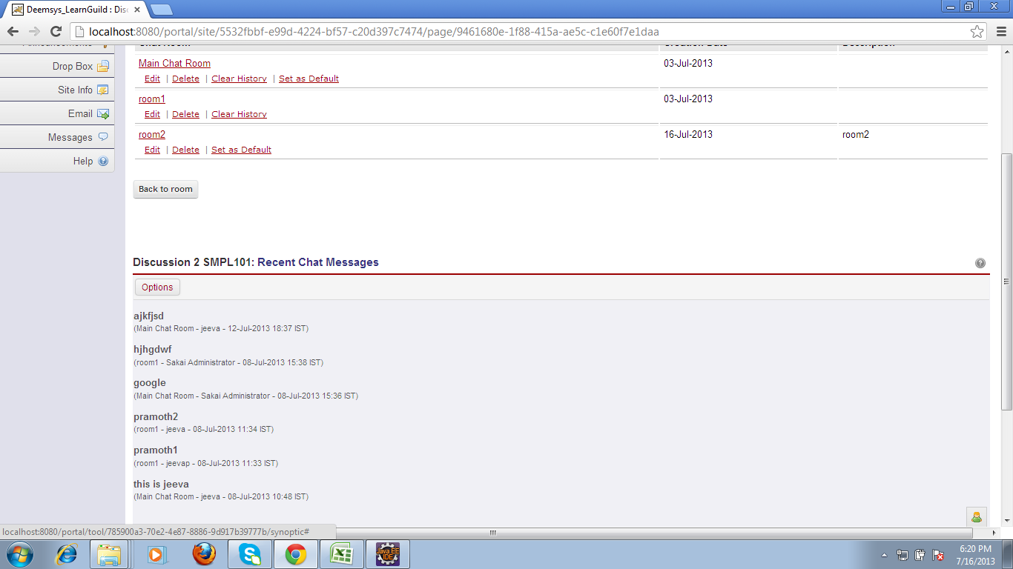
 | public ToolManager getToolManager() | this method is used to get the tool manger

class | properties
 | public String getProperty(String key) | Searches for the property with the specified key in this property list.If the key is not found
 |  | in this property list, the default property list,and its defaults, recursively, are then checked
class | hashtable
 | public synchronized V get(Object key) | this method is used to get the key for hashmap

class | string
 | public int hashCode() | this method is used to get the hashcode

class | integer
 | public static int parseInt(String s) throws NumberFormatException | this method is used to convert the sting values into integer

java file | decoratedsynopticoptions
 | public void setDays(int days) | this method is used to set the days given in options
 | public void setItems(int items) | this method is used to set the items
 | public void setChars(int chars) | this method is used to set the number of showing characters for one chat message in
 |  | recent chat messages

jsp file | synopticoptions.jsp
java file | chat tool
 | public String processActionSynopticOptionsSave()

 | public DecoratedSynopticOptions getCurrentSynopticOptions() | this method is used to return the current modifications in options
 | public ToolManager getToolManager() | this method is used to get the tool manager

java file | decoratedsynopticoptions
 | public int getDays() | this method is used to return the modified days details from recent chat messages

class | integer
 | public static String toString(int i) | this method is used to convert the input(intergers)to string
 | static int stringSize(int x) | this method is used to assign the string size in the table
 | static void getChars(int i, int index, char[] buf) | this method is used to get the characters and store in sting builder/buffer

class | properties
 | public synchronized Object setProperty(String key, String value) | this method is used to return the key and value for the current hashtable

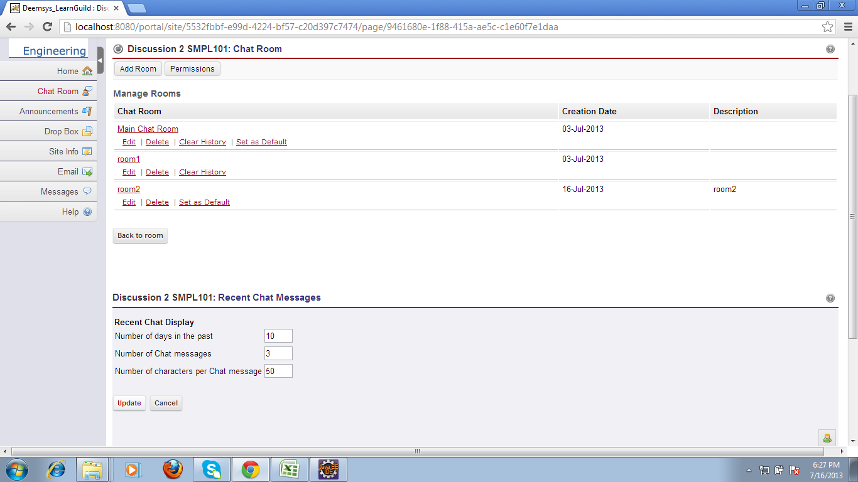
class | hashtable
 | public synchronized Object setProperty(String key, String value) | this method is used to get the key and value of the hash table
 | private int hash(Object k) | A randomizing value associated with this instance that is applied to hash code of keys to make hash collisions harder to find
class | string
 | public int hashCode() | this method is used to get the hash code
 | public boolean equals(Object anObject) | this method is used to check whether the modified values are equals to previous values if not means
 |  | assigns the needed values newly
java file | decoratedsynopticoptions
 | public int getChars() | this method is used to return the characters which was modified
class | integer
 | public static String toString(int i) | this method is used to convert the input(intergers)to string
 | static int stringSize(int x) | this method is used to assign the string size in the table
 | static void getChars(int i, int index, char[] buf) | this method is used to get the characters and store in sting builder/buffer

class | properties
 | public synchronized Object setProperty(String key, String value) | this method is used to return the key and value for the current hashtable

class | hashtable
 | public synchronized Object setProperty(String key, String value) | this method is used to get the key and value of the hash table
 | private int hash(Object k) | A randomizing value associated with this instance that is applied tohash code of keys to make hash collisions harder to find
class | string
 | public int hashCode() | this method is used to get the hash code
 | public boolean equals(Object anObject) | this method is used to check whether the modified values are equals to previous values if not means
 |  | assigns the needed values newly
java file | chat tool
 | public void setCurrentSynopticOptions(DecoratedSynopticOptions currentSynopticOptions
 |  | this method is used to set the current synopticoptions to null after finish the updates

jsp file | synopticoptions.jsp
 | public String processActionSynopticOptionsCancel()
java file | chat tool
 | public void setCurrentSynopticOptions(DecoratedSynopticOptions currentSynopticOptions
 |  | this method is used to set the current synopticoptions to null after finish the updates

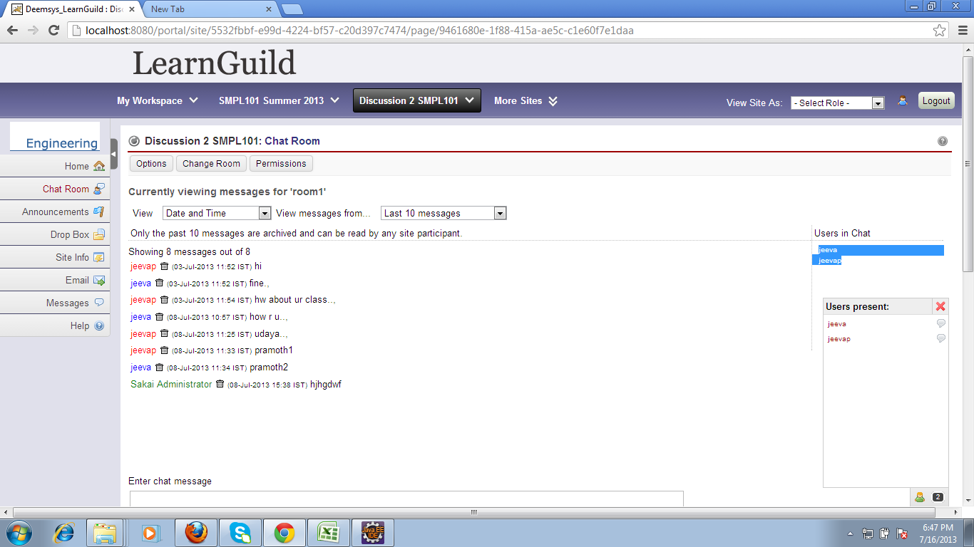

jsp file | roomusers.jsp
action | to update the presence of the another user
java file | presenceobserverhelper
 | public void updatePresence() | this methiod is used to update the presence of user and used to set user location

 | public List<User> getPresentUsers() | used to return the present user location

package | org.sakaiproject.presence.cover(api)
java file | presence service
 | public static void setPresence(java.lang.String param0) | used to get the present user location

method | public static org.sakaiproject.presence.api.PresenceService getInstance() | get the instance of the user details

java file | chat tool
 | List<User> users = observer.getPresentUsers(); | get the current presence list for this page

package | package org.sakaiproject.chat2.model.impl
java file | chat channel entity provoider

 | public SimpleChatChannel(ChatChannel channel) | (constructor) this method is used to get and initialize id,placement,context,title,description
 |  | defaultForContext
 | public String getId() | this method is used to get the id
 | public void setPlacement(String placement) | this method is used to assign the placement for storage of string variables
 | public String getPlacement() | used to return the placement
 | public void setContext(String context) | used to assign the instance context
 | public String getContext() | used to return the context values
 | public void setTitle(String title) | used to set the title
 | public void setDescription(String description) | used to set the description
 | public void setDefaultForContext(boolean defaultForContext) | used to set the default context
 | public boolean entityExists(String id) | used to check the channel id if it is exists or not
 | public Object getEntity(EntityReference ref) | used to get the channel id and set the simple channel
 | public void setChatManager(ChatManager chatManager) | used to set the chat manager
 | public String[] getHandledInputFormats()
 | public String[] getHandledOutputFormats()
 | public List<SimpleChatChannel> getEntities(EntityReference ref, Search search) | this method is used to get the messages for the particular channel and assigns the messages
 |  | to its appropriate channel locations
 | public boolean listen(EntityReference ref, Map<String, Object> params) | this method is used to return the current messages to the listener who is waiting to see the chat msg
 |  | in a particular chat room
 | public String createEntity(EntityReference ref, Object entity, Map<String, Object> params) | this method is used to create a new channel and return the id of the new channel
 | public void updateEntity(EntityReference ref, Object entity, Map<String, Object> params) | this method is used to update(modify) the current new channel
 | public void deleteEntity(EntityReference ref, Map<String, Object> params) | this method is used to delete the chat channel

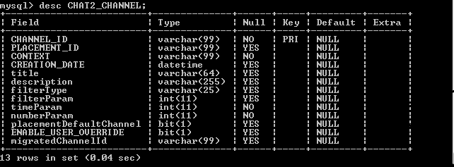
Database Table | chat2_ channel
Fields | channel id | this is the id created for each chat room
 | placement id | it is called only when the chat room is set as a default
 | context | when the chat room is created it stores the site url
 | creation date | this field stores creation date for the each chat message
 | title | it stores the chat room title
 | description | it stores the chat room description
 | filter type | based on this no of messages to be show in ui screen
 | fiter parameter | only affected when the selected option is equal to show the last 10/20/30 messages
 | time parameter | stores the values of option shows messages from last 5/10 days
 | numberparameter | stores the values of option shows last 10/20 messages
 | placement default channel | this default channel activated when the chat room is set as a default

 | migrated channel id

Database Table | chat2_message
Fields | message id | this is the id of message
 | channel id | channel id shows the chat room id
 | owner | this field stores the id of the owner from where we sent the chat messages
 | message date | stores the date of the message sent
 | body | It stores the body of chat message
 | migrated message id

jsp file | delete room messages.jsp
java file | chat tool
label name | clear history
method | public String processActionDeleteRoomMessages() | this method is used to clear history in a particular chat room
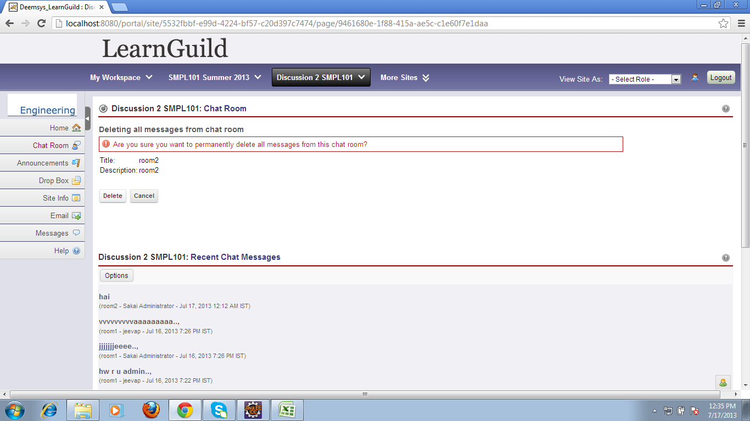
 | public ChatManager getChatManager() | this method is used to get the chat manager
java file | decorated chat channel
 | public ChatChannel getChatChannel() | this method is used to get the chat channel
java file | chat manager
 | public void deleteChannelMessages(ChatChannel channel) throws PermissionException
 |  | this method is used to delete the messages in a chat room
java file | chat tool
 | public void setCurrentChannelEdit(DecoratedChatChannel currentChannelEdit) | this method is used to edit current channel

jsp file | deleteroommessages.jsp
method | public String processActionDeleteRoomMessagesCancel()
java file | chat tool
method | public void setCurrentChannelEdit(DecoratedChatChannel currentChannelEdit) | this method is used to edit current channel as a previous channel.it sets a value as a null

jsp field | list rooms.jsp
java file | chat tool
method | public String processActionPermissions() | this mehod is used to set the permissions for instructor,student,teaching assistant
 |  | here all the value object for the particular key of the specified permission messages get from
 |  | resourse bundle using hashing algorithm

java file | session manager.java
 | public static org.sakaiproject.tool.api.ToolSession getCurrentToolSession() | this mehod is used to get the tool for session
java file | chat tool
 | public String getPermissionsMessage() | this method is used to check and return the permission properties
 | public Site getWorksite() | this method is used to get the worksite
 | public String getMessageFromBundle(String key, Object[] args) | this method is used to get the key and value for the permission message

 | public String getMessageFromBundle(String key) | this method is used to get the key from property bundles
java file | resource loader | this java file is used to load all the resources required for the module
 | public String getString(String key) | this method is used to get the key for a particular permission message
 | public Locale getLocale() | this method is used to get the locale(eg-en)(needed language for resources)
 | protected static SessionManager getSessionManager() | this method is used to return the session manager
 | public String getString(String key) | this method is used for Return string value for specified property in current locale specific ResourceBundle
 | protected ResourceBundle getBundle() | this method Return ResourceBundle for user's preferred locale
java file | service configuration service.java
 | public static org.sakaiproject.component.api.ServerConfigurationService getInstance()
 | web.java
 | public static string escapeurl() | this method is used when chat dealswith url
 | validator.java | this java file used to check whether the user is valid .

java file | chat message | this java file is also include the function of pattern matching using regular expressions

java file | resource bundle | this java file have all the properties files as a bundle.In resource bundle all the details taken by
 |  | using key and value (hashtables are mapped using hashmap)
 | session manager | whatever the operations doing in modules are taken as a session and they are implemented using
 |  | session manager

action | for sending message
package | sakai.courier.util
java file | base delivery
method | public BaseDelivery(String address, String elementId) | address=session id+(channel id/room id/location id)
 |  | element id="monitor" id=277
 | public ChatDelivery(String address, String elementId, Object message, String placementId, boolean beepOnDelivery, ChatManager chatManager)
 |  | message=chat message(id=1956)
 |  | placementId-
 |  | beepOnDelivery-false
 |  | chat manager-it also contains id

java file | chat manager impl
 | public void update(Observable o, Object arg) | this method is used to add the room observer
 |  | observer id is get here

java file | chat tool
 | public void receivedMessage(String roomId, Object message) | room id(channel id),message(id=1956)

 | session manager | get the instance session id
jave file | base delivery
 | public ChatDelivery(String address, String elementId, Object message, String placementId, boolean beepOnDelivery, ChatManager chatManager)

************data base | afftected tables *************************************

data base details
table | sakai presence
fields | session id | address for courier(delivery operation) is accessed from this table
 | location id=channel id(room id)
table | sakai site
fields | site id=(course id=context)
 | *******************************************

for recent chat messages
data base table | sakai site tool
field | page id- each page in a module has a page id
 | site id
 | registration=synoptic chat
 | tool id=
 | title=recent chat messages

 | ********************************

then use of the chat room
 | this is used to communicate between the site members with in the same chat room

how we can use a chat room
 | instructor only have the rights to create the rooms in a chat room
 | he can create the rooms for the different charactersized members through that | the different members of students can communicate with the instructor through the different room

 | we can channge the options for accessing using permissions

**********************
Every student has rights to | enter into all the rooms but he cann't edit it
every user creates account | and create the new course within the for the same course of to which course | he want to join means all the rooms are get directly from the instructor page .

